MARKOV E MTTF
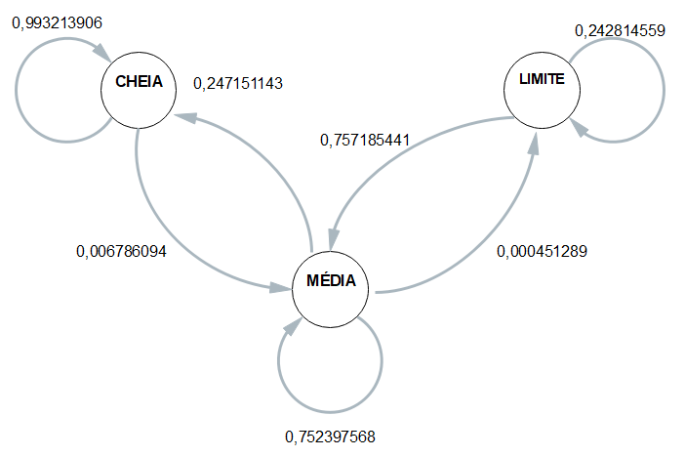
 | ESP1 | ESP2 | ESP3 | ESP4 | MÉDIA
CC | 0.99099099099 | 0.99193548387 | 0.99473684211 | 0.99519230769 | 0.99321390616
CM | 0.009009009009 | 0.008064516129 | 0.0052631578947 | 0.0048076923077 | 0.0067860938351
CB | 0 | 0 | 0 | 0 | 0

MC | 0.27669039146 | 0.24367509987 | 0.21917191719 | 0.24906716418 | 0.24715114317
MM | 0.72286476868 | 0.75588104749 | 0.7803780378 | 0.75046641791 | 0.75239756797
MB | 0.00044483985765 | 0.00044385264092 | 0.0004500450045 | 0.00046641791045 | 0.00045128885338

BC | 0 | 0 | 0 | 0 | 0
BM | 0.82666666667 | 0.80434782609 | 0.5 | 0.89772727273 | 0.75718544137
BB | 0.17333333333 | 0.19565217391 | 0.5 | 0.10227272727 | 0.24281455863

 | Esp1 | Esp2 | Esp3 | Esp4 |  | média
Hora Inicial | 9:32:00 | 9:36:00 | 9:41:00 | 9:46:00 |  | 9:38:45
Hora Limite 2,8 | 12:29:00 | 12:34:00 | 12:42:00 | 12:42:00 |  | 12:36:45
Hora Final | 12:34:38 | 12:38:06 | 12:43:48 | 12:49:09 | MTTF | 12:41:25
total de horas até 2,8 | 2:57:00 | 2:58:00 | 3:01:00 | 2:56:00 | 2:58:00 | 2:58:00

